Sheet1
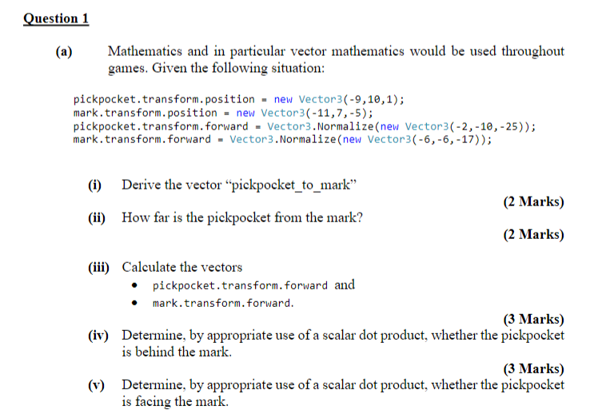

(a)
(i)
-11 | 7 | -5 |  | -9 | 10 | 1
-2 | -3 | -6 | ANS

(ii)
7 | Magnitude |  | ANS

(iii)
-2 | -10 | -25

-0.28571428571 | -1.4285714286 | -3.5714285714 | pickpocket | ANS

-6 | -6 | -17

-0.85714285714 | -0.85714285714 | -2.4285714286 | mark | ANS

(iv)
-2 | -3 | -6 | * | -6 | -6 | -17

132 | >0 | YES

(v)
-2 | -3 | -6 | * | -2 | -10 | -25

184 | >0 | YES

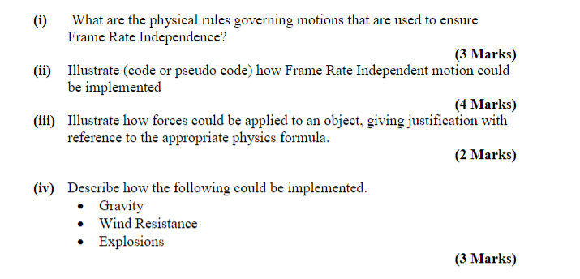

(i)
s = ut
v = u+at
F = ma

(ii)
Velocity += acceleration * Time.deltaTime;
Transform.position += velocity*Time.deltaTime;

(iii)
Acceleration += 9.81* Vector3.down;
Acceleration -= k * velocity;

(iv)

